Table 2-1 - inputs
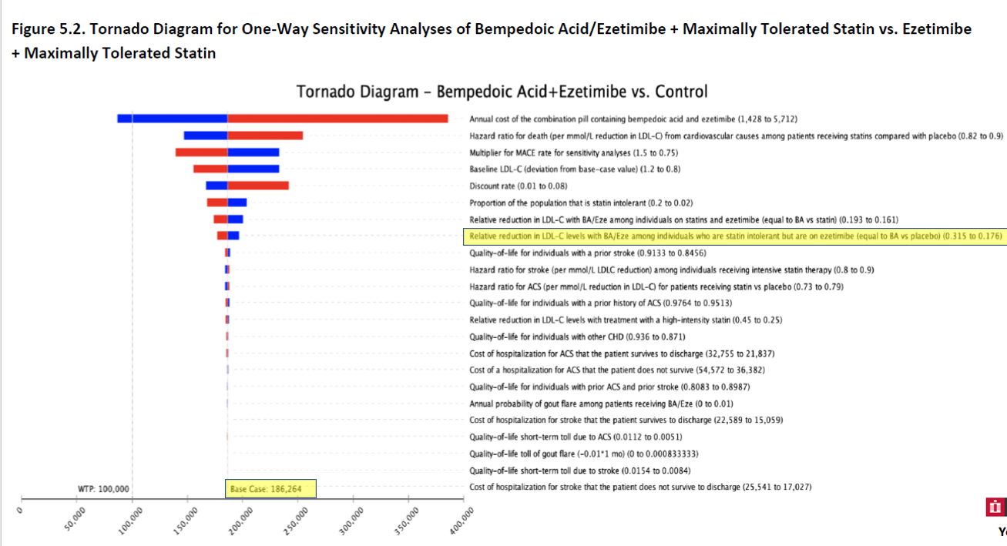
 | Assumptions |  |  | CE Ratios |  |  | Experts
Assumption | Base case (a) | Low CE value (b) | High CE value (b) | Base case (c) | Low CE value (d) | High CE value (d) | Group 1 (e) | Group 2 (f)
Based on dataset used | 24.6% | 17.6% | 31.5% | $186,264 | $197,000 | $177,333 | 17.8% | 24.6%

 | (a) | From Table 5.3, second column from left, page 54. Using values for patient who are statin intolerant.
 | (b) | From Table 5.3, third column from left, page 54. Using values for patients who are statin intolerant
 | (c) | From Figure 5.2 - Bottom of figure.
 | (d) | CE values read digitally from Figure 5.2 - Using 8th analysis from top of figure.
 | (e) | Table D9
 | (f) | ICER base case value.

Notes - Belimumab | (a) | For CR, PR, AD, and ESRD, utility weight base case values come from Table 4.4.
 | (b) | For CR, PR, and AD, utility weight lower and upper utility values come from Table E15 for Belimumab
 | (c) | Cost-per-QALY base case value comes from Table 4.5
 | (d) | For CR, PR, and AD, utility weight lower and upper cost-effectiveness values come from Table E15 for Belimumab

Notes - Voclosporin | (a) | Same as note (a) for Belimumab
 | (b) | For CR, PR, and AD, utility weight lower and upper utility values come from Table E17 for Voclosporin
 | (c) | Cost-per-QALY base case value comes from Table 4.6
 | (d) | For CR, PR, and AD, utility weight lower and upper cost-effectiveness values come from Table E17 for Voclosporin

Table 2-2 - inputs
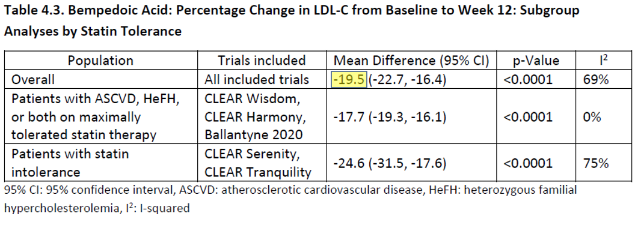
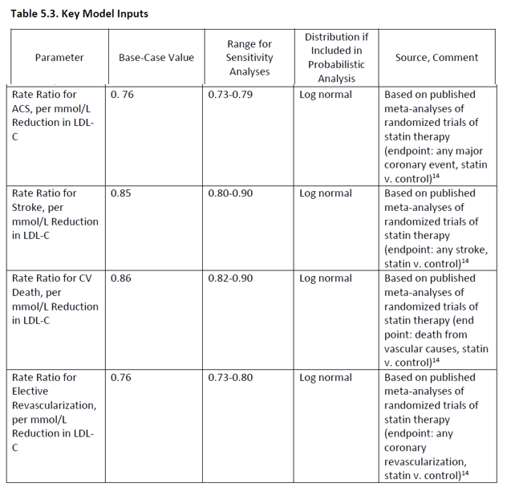
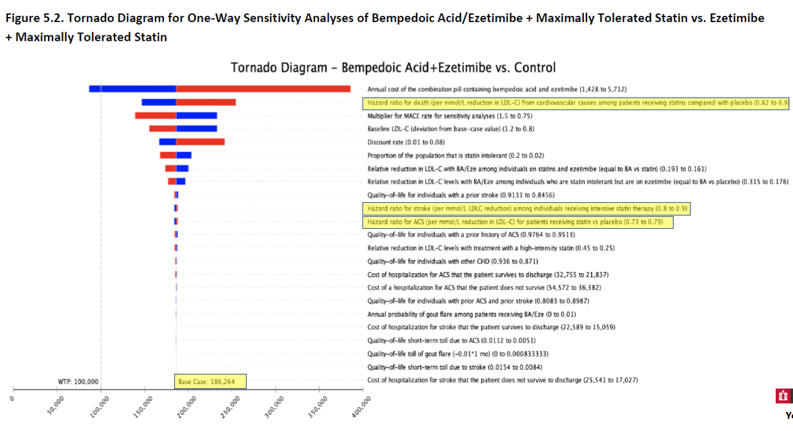
 | Assumptions |  |  | CE Ratios |  |  | Experts
Direct estimation of clinical benefit for: | Base case (a) | Low CE value (b) | High CE value (b) | Base case (c) | Low CE value (d) | High CE value (d) | Group 1 (e) | Group 2 (e) | Calculation of risk ratio per mmol/L LDL-C
ACS | 0.76 | 0.73 | 0.79 | $186,264 | $184,277 | $187,641 | 0.53 | 0.76 | ACS
Elective revascularization | 0.76 | 0.73 | 0.80 | $186,264 | $184,887 | $187,641 | 0.53 | 0.76 | Rate reduction for treatment (i) | 21% | One minus risk ratio in Table 4.5, column 2, row 5 (MACE)
Stroke | 0.85 | 0.80 | 0.90 | $186,264 | $184,887 | $187,641 | 1.25 | 0.85 | Rate reduction per mmol/L LDL-C (ii) | 47%
CV Death | 0.86 | 0.82 | 0.90 | $186,264 | $146,453 | $256,075 | 1.00 | 0.86 | Risk ratio per mmol/L LDL-C (iii) | 53%
 |  |  |  |  |  |  |  |  | Elective revascularization
 |  |  |  |  |  |  |  |  | Rate reduction for treatment (i) | 21% | One minus risk ratio in Table 4.5, column 2, row 5 (MACE)
 |  |  |  |  |  |  |  |  | Rate reduction per mmol/L LDL-C (ii) | 47%
 |  |  |  |  |  |  |  |  | Risk ratio per mmol/L LDL-C (iii) | 53%
 |  |  |  |  |  |  |  |  | Stroke
 |  |  |  |  |  |  |  |  | Rate reduction for treatment (i) | -11% | One minus risk ratio in Table 4.5, column 2, row 3 (non-fatal stroke)
 |  |  |  |  |  |  |  |  | Rate reduction per mmol/L LDL-C (ii) | -25%
 |  |  |  |  |  |  |  |  | Risk ratio per mmol/L LDL-C (iii) | 125%
 |  |  |  |  |  |  |  |  | CV Mortality
 |  |  |  |  |  |  |  |  | Rate reduction for treatment (i) | 0% | Assume no impact on CV mortality
 |  |  |  |  |  |  |  |  | Rate reduction per mmol/L LDL-C (ii) | 0%
 |  |  |  |  |  |  |  |  | Risk ratio per mmol/L LDL-C (iii) | 100%

 |  |  |  |  |  |  |  |  | (i) Rate reduction for treatment is 1 - risk ratio for treatmentRisk ratio per mmol/L LDL-C equals 1 - (rate reduction for treatment per mmol/L LDL-C).
 |  |  |  |  |  |  |  |  | - For ACS and Elective revascularization, we used Table 4.5, row 5, column 2.
 |  |  |  |  |  |  |  |  | - For stroke, we used Table 4.5, row 3, column 2.
 |  |  |  |  |  |  |  |  | - For death, we used Table 4.5, row 1, column 2.
 |  |  |  |  |  |  |  |  | (ii) To compute the rate reduction per mmol/L reduction in LDL-C, we divided the treatment rate reduction by treatment reduction of LDL-C in mmol/L. See computation of this value, below.
 |  |  |  |  |  |  |  |  | (iii) Risk ratio per mmol/L LDL-C is 1 - the rate reduction (item ii).

 |  |  |  |  |  |  |  |  | Calculation of Treatment reduction of LDL-C in mmol/L
 |  |  |  |  |  |  |  |  | LDL_C_reduction | 0.45 |  | Calculated
 |  |  |  |  |  |  |  |  | (i) Baseline LDL-C | 88.7 |  | Table 5.3
Notes | (a) | Table 5.3, second column from left |  |  |  |  |  |  | (ii) Conversion mg/mmol | 38.67 |  | From NIH
 | (b) | Table 5.3, third column from left |  |  |  |  |  |  | (iii) Baseline LDL-C (mmol/L) | 2.29 |  | Calculated
 | (c) | From Figure 5.2 - Bottom of figure. |  |  |  |  |  |  | (iv) Percent reduction in LDL-C | 19.5% |  | From Table 4.3
 | (d) | CE values read digitally from Figure 5.2 - Using 2nd, 10th, 11th analyses from top of figure.
 | (e) | See calculations, near Column AJ.

 |  |  |  |  |  |  |  |  |  |  |  | NIH
 |  |  |  |  |  |  |  |  |  |  |  | https://www.ncbi.nlm.nih.gov/books/NBK83505/

Figures
 | ICER |  | Expert Group 1 |  | Expert Group 2 |  | 100K Benchmark |  | 150K Benchmark |  | ICER |  | Expert Group 1 |  | Expert Group 2 |  | 100K Benchmark |  | 150K Benchmark
$186 | 1 | $197 | 1 | $186 | 1 | 100 | 0 | 150 | 0 | $186 | 1 | $197 | 1 | $186 | 1 | 100 | 0 | 150 | 0
 |  |  |  |  |  | 100 | 3 | 150 | 3 |  |  |  |  |  |  | 100 | 3 | 150 | 3
$186 | 2 | $156 | 2 | $186 | 2 |  |  |  |  | $186 | 2 | $156 | 2 | $186 | 2
$186 | 2.25 | $168 | 2.25 | $186 | 2.25 |  |  |  |  | $186 | 2.25 | $168 | 2.25 | $186 | 2.25
$186 | 2.5 | $197 | 2.5 | $186 | 2.5 |  |  |  |  | $186 | 2.5 | $197 | 2.5 | $186 | 2.5
$186 | 2.75 | $562 | 2.75 | $186 | 2.75 |  |  |  |  | $186 | 2.75 | $562 | 2.75 | $186 | 2.75
 |  | Bempedoic acid
 |  | ICER | Expert Group 1 | Expert Group 2 | 100K Benchmark | 150K Benchmark | Assumption Group
Utility weights | Based on dataset used | $186 | $197 | $186 |  |  | 1

Direct estimation of clinical benefits
CV death
Elective revascularization
Stroke
ACS
LDL-C reduction data used
 | ACS | $186 | $156 | $186 |  |  | 2
 | Elective revascularization | $186 | $168 | $186 |  |  | 2.25
 | Stroke | $186 | $197 | $186 |  |  | 2.5
 | CV Death | $186 | $562 | $186 |  |  | 2.75

 |  |  |  |  | 100 |  | 0
 |  |  |  |  | 100 |  | 3

 |  |  |  |  |  | 150 | 0
 |  |  |  |  |  | 150 | 3

Figures - Main
 | ICER |  | Expert Group 1 |  | Expert Group 2 |  | 100K Benchmark |  | 150K Benchmark |  | ICER |  | Expert Group 1 |  | Expert Group 2 |  | 100K Benchmark |  | 150K Benchmark
$186 | 0.5 | $197 | 0.5 | $186 | 0.5 | 100 | 0 | 150 | 0 | $186 | 0.5 | $197 | 0.5 | $186 | 0.5 | 100 | 0 | 150 | 0
 |  |  |  |  |  | 100 | 2 | 150 | 2 |  |  |  |  |  |  | 100 | 2 | 150 | 2
$157 | 1.5 | $522 | 1.5 | $522 | 1.5 |  |  |  |  | $157 | 1.5 | $522 | 1.5 | $522 | 1.5
$186 | 0.5 | $156 | 0.5 | $186 | 0.5 |  |  |  |  | $186 | 0.5 | $156 | 0.5 | $186 | 0.5
$186 | 0.5 | $168 | 0.5 | $186 | 0.5 |  |  |  |  | $186 | 0.5 | $168 | 0.5 | $186 | 0.5
$186 | 0.5 | $197 | 0.5 | $186 | 0.5 |  |  |  |  | $186 | 0.5 | $197 | 0.5 | $186 | 0.5
$186 | 0.5 | $562 | 0.5 | $186 | 0.5 |  |  |  |  | $186 | 0.5 | $562 | 0.5 | $186 | 0.5
 |  | Bempedoic acid
 |  | ICER | Expert Group 1 | Expert Group 2 | 100K Benchmark | 150K Benchmark | Assumption Group
Utility weights | Based on dataset used | $186 | $197 | $186 |  |  | 0.5

 |  | $157 | $522 | $522 |  |  | 1.5

Inclissiran
 | ACS | $186 | $156 | $186 |  |  | 0.5
 | Elective revascularization | $186 | $168 | $186 |  |  | 0.5
 | Stroke | $186 | $197 | $186 |  |  | 0.5
 | CV Death | $186 | $562 | $186 |  |  | 0.5
Bempedoic acid

 |  |  |  |  | 100 |  | 0
 |  |  |  |  | 100 |  | 2

 |  |  |  |  |  | 150 | 0
 |  |  |  |  |  | 150 | 2

